1. Title Page
Instacart App Basket Analysis

Project Name: Instacart App Basket Analysis
Date: December 15, 2023
Analyst Name: Renata Herrera

Contents: | Tab
Population Flow | 2.
Consistency checks | 3.
Wrangling steps | 4.
Column derivations | 5.
Visualizations | 6.
Recommendations | 7.

Data Citations:

“The Instacart Online Grocery Shopping Dataset 2017”, Accessed from www.instacart.com/datasets/grocery-shopping-2017via Kaggle during December 2023.

Note: Instacart is a real company that's made their data available online. However, and for the purpose of the Career Foundry course, this particular Project Brief has been fabricated to meet the Achievement requirements.

https://simple.wikipedia.org/wiki/List_of_regions_of_the_United_States

Additional Notes: List of regions of the USA via Wikipedia. The article was used for the purposes of helping to group States by Regions.

Original data sets - csv format:

Customers' data - customers.csv
Departments' data - departments.csv
Orders data - orders.csv
Orders products prior data - orders_products_prior.csv
Products' data - products.csv

Note: The columns 'prices' and 'products' were also added to the original data set for the purposes of the Career Foundry course.

2. Population Flow
Title page

Population flow

Exclusion flag
Condition: max_order <
Obervations to be removed: Columns of '_merged' data were created, combined and exported throughout this analysis such as exclusion flags and tables.
Final total count of order_products_all:

Orders_products_combined
Orders_products_merged
Orders_products_all

Total: Rows: 32,434,489
Columns: 13
Total: Rows: 32,404,859
Columns 13
Total: Rows: 30992664
Columns: 41

1.) The grey boxes in the first row of the population flow represent the original data sets as they were when you downloaded them. In the Total fields you need to add the count of the rows when you imported the data set into Jupyter.
2.) The second row of boxes (coloured) represents the data sets after you manipulated them, e.g., removed missing values and duplicates. In the Total fields you need to add the count of the rows after conducting these operations. This offers a visual oveview of how the data flows throughout the data consistency checks.
3.) The third row, where also the arrows are coloured, represents the merges you performed between the datasets. In the Total fields you need to add the count of the rows in the merged datasets, so that you end up with the final dataset (in the red box). Keep in mind the final dataset should be without exclusions (based on the exclusion flag).

3. Consistency checks
 |  |  |  |  | Title page
Consistency checks

Dataset | Column | Missing values | Missing values treatment | Duplicates
orders | days_since_previous_order | 206,209 NaN values | Shows as Nan values because if the order number = 1, therefore there exists no value because there can't be days before the 'days since previous order'. As a result, Nan values were kept as is in the dataset until further analysis when low order = <5 customers were flagged. | no duplicates
products | product_name | 16 rows | 16 rows removed | 5 duplicates deleted
orders_products_prior | n/a | n/a | n/a | no duplicates
customers | first_name, surname | Columns removed due to addressing PII data security implications. |  | no duplicates
Final dat set | prices | 5,127 Nan outlier values | Replaced all outliers with missing Nan values because there were odd values of 14,900 and 99,999 that skew analysis. | no duplicates

4. Wrangling steps
 |  |  |  | Title page
Wrangling steps

Columns dropped | Columns renamed | Columns' type changed | Comment/Reason
first_name, surname |  | n/a | Columns removed due to addressing PII data security implications and because unnecessary for this analysis.
n/a from orders | order_dow | n/a | orders_day_of_week for representation of abbreviated dow
 | days_since_prior_orders | n/a | days_since_previous_order, to indicate those clients who do not have prior orders
 | family_status | n/a | fam_status to abbreviate
Unnamed column and 0 | department_id and department | n/a | handling index
low activity from fnal customer | n/a | deleted as not part of analysis requirements
order_id | n/a | Changed to string from INT | to better perform analysis
eval_set | n/a | Dropped | unnecessary for analysis as only contains 'prior' for all rows
_merge | n/a | Dropped | unnecessary after used to perform merge
 | First_name, Surname, STATE, Gender, Age | changed to all lower case | illogical column names fixed to consistency

5. Column derivations
 |  |  |  | Title page

Column derivations and aggregations

In this tab you should add tables below that the frequences of flags/label variables that you produced after deriving them. NB: don't do this for continuous variables, only for flags.
Dataset | New column | Column/s it was derived from | Conditions
orders_products_merged | price_label | prices | Defined syntax: low-range<=5 product, Mid-range product>5&<=15, High range >15, Else:not enough data (and IC prices not over $15)
 | price_range_loc | prices | loc function: low-range<=5 product, Mid-range product>5&<=15, High range >15, Else:not enough data (and IC prices not over $15)
 | busiest_days | orders_day_of_week | command loop:busiest day=0 or 1, least busy=3 or 4, else=regularly busy ( not equal to 0 or 4)
 | hour_of_day | order_hour_of_day | Most orders=10,11,14,15,13,12,16,9; Fewest orders=23,6,0,1,5,2,3, else=average orders

orders_products_merged_updated | loyalty_flag | max_order | Max(sum) orders criteria:Loyal customers=>40, Regular customers=>10 and <=40, New customers=<10
 | spending_flag | avg_price | High=>10 and Low spender=<10
 | order_frequency_flag | median_previous_order | Frequent<10, regular=>10 and =<20, and non-frequent=>20 customers

orders_products_customer_merged
 | region | state | loc function: Midwest = ['Illinois', 'Indiana', 'Iowa', 'Kansas', 'Michigan', 'Minnesota', 'Missouri', 'Nebraska', 'North Dakota', 'Ohio', 'South Dakota', 'Wisconsin']
 |  |  | West = ['Alaska','Arizona','California', 'Colorado','Hawaii', 'Idaho','Montana', 'Oregon', 'Nevada','New Mexico','Utah', 'Washington' 'Wyoming']
 |  |  | Northeast = ['Connecticut', 'Maine', 'Massachusettes', 'New Hampshire', 'New Jersey', 'New York', 'Pennsylvania','Rhode Island', 'Vermont']
 |  |  | South = ['Alabama', 'Arkansas', 'Delaware', 'District of Columbia', 'Florida', 'Georgia', 'Kentucky', 'Louisiana', 'Maryland', 'Mississippi', 'North Carolina', 'Oklahoma', 'South Carolina', 'Tennessee', 'Texas', 'Virginia', 'West Virginia']

 | spending_flag | region | loc: High spender and Low Spender
 | exclusion_flag | max_order | loc: active=>4 and low activity customers =<4

final_merge_deptsw_active | age_group | age | loc: (There are no IC customers <18 years of age); 18-39 years of age ; 60-81 years of age , 40-59 years of age
 | dependents_group | n_dependants | loc: with >0 and without=0 dependents
 | income_group | income | loc: lower≤50000; middle>=50000 and <150000; higher>=150000
 | profile_fam_age_deps | age_group | loc: married older aged 60-81 with dependents married aged 40-59 with dependents married young aged 18-39 with dependents single young aged 18-39 without dependents single older aged 60-81 without dependents single aged 40-59 without dependents single young aged 18-39 with dependents
 | profile_income | age_group and fam_status | loc: middle income married older aged 60-81 with dependents middle income married young aged 18-39 with dependents middle income married aged 40-59 with dependents middle income single young aged 18-39 without dependents middle income single older aged 60-81 without dependents middle income single aged 40-59 without dependents higher income married older aged 60-81 with dependents higher income married aged 40-59 with dependents middle income young aged 18-39 with dependents lower income married young aged 18-39 with dependents lower income married older aged 60-81 with dependents lower income married aged 40-59 with dependents higher income single older aged 60-81 without dependents higher income single aged 40-59 without dependents lower income single young aged 18-39 without dependents lower income young aged 18-39 with dependents lower income single older aged 60-81 without dependents lower income single aged 40-59 without dependents higher income married young aged 18-39 with dependents higher income single young aged 18-39 without dependents higher income young aged 18-39 with dependents
 | busiest_period_week | orders_day_of_week | loc: Weekend day=0&1; Week day=else
 | busiest_period_day | order_hour_of_day | loc:Afternoon hours=>13 and<=18 Morning hours =>7 and <=12 Evening hours =>19 and =< 23 Unsociable hours

6. Visualizations
 |  |  |  | Title page

Visualisations

In this tab you should include all the visualtions from Exercises 4.9 and 4.10, alongside the questions from the project brief that they answer. Include any commentary on the relationship between different variables.

Busiest days of the week and hours of the day

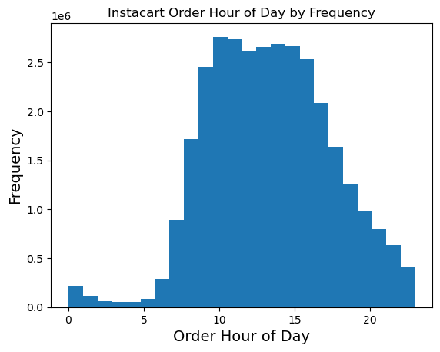
Orders Day of Week by Frequency
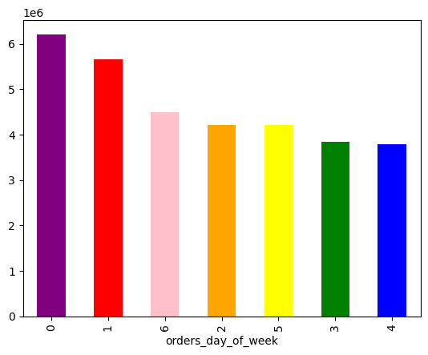

orders_day_of_week
0 6209632 = Saturday
1 5665830 = Sunday
2 4217766 = Monday
3 3844096 = Tuesday
4 3787193 = Wednesday
5 4209449 = Thursday
6 4500246 = Friday

 | The highest numbers and therefore 'busiest days' happens on the weekend where 36.61% of total orders are placed on Saturdays and Sundays.
 | The lowest numbers can be seen midweek on Tuesdays and Wednesdays, accounting for 23.53% of total orders placed.

 | From 6:00 to 9:00 in the morning, sales begin, and slowly and steadily increase until most sales reached, peaking at 10:00.
 | From 10:00 to 15:00 mid-day hours with most sales activity, with toward end of day from 16:00 through to 20:00 moderate sales activity.
 | 21:00 through to 24:00 period sales steadily decreased, with most decreased order hour of day activity from 01:00 to 05:00.

Times of day when people spend the most money

Expenditures - Order Hour of Day by Prices

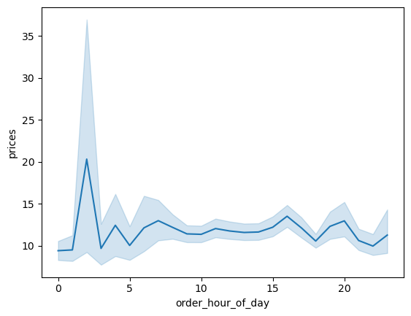
price_range_loc
Low-range product 10126384
Mid-range product 21890146
high-range product 417682

 | Most orders-busiest happen throughout the business morning and afternoon hours, also at end of regular day hours until the evening hours of about 8:30 pm.

 | Outside of these hours, single adults make up most of purchases during these unsociable hours.

Prices of Products and Groupings

Order Hour of Day by Prices of Products
Price Range by Product Groupings
Price Range by Frequency
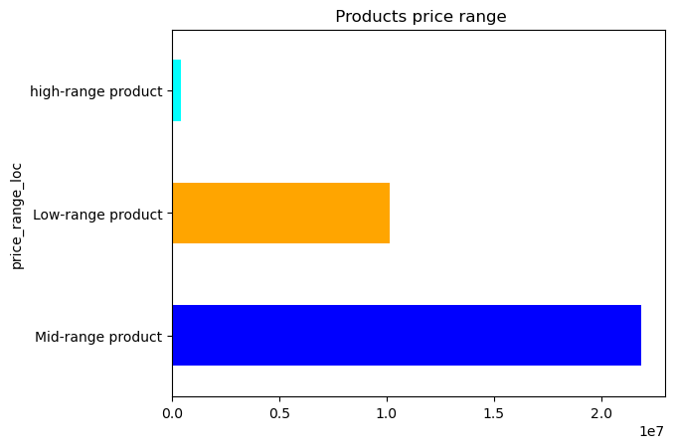



Price Range by Proct Groupings
Low-range product = 31% 10126384
Mid-range product = 68% 21890146
High-range product = 1% 417682

 |  |  | a

 | Of all products, 68% are mid-range priced, while 31 % fall into the low-range with high-priced products only are 1 % .

 | Correspondingly, this is most evident in Price Range by Frequency where most products are priced between 1 and 15, while a lot fewer are higher priced at 15 to 25.

 | Further, there's no real difference in expenditure ('prices') depending on the hour of day. As a result, the price of products and hour of day they are purchased are independent of each other.¶

Products and Departments Popularity
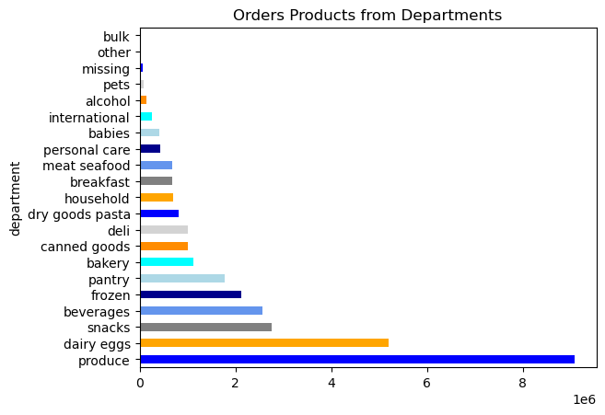
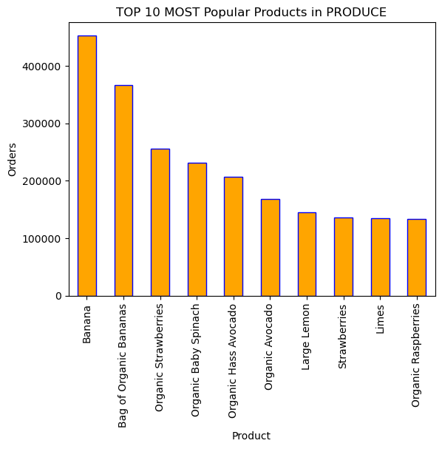
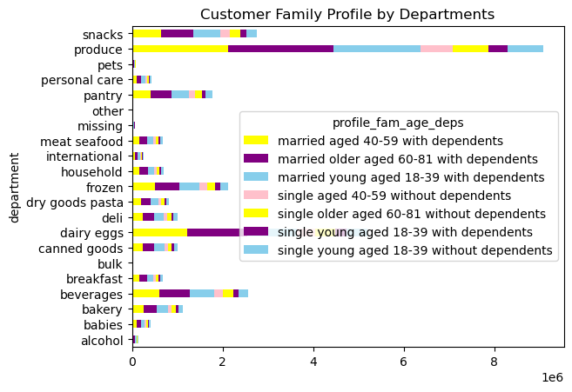
 |  | department
 |  | produce 9079276
 |  | dairy eggs 5191828
 |  | snacks 2766406
 |  | beverages 2571934
 |  | frozen 2123342
 |  | pantry 1782903
 |  | bakery 1125026
 |  | canned goods 1012074
 |  | deli 1003834
 |  | dry goods pasta 822136
 |  | household 699858
 |  | breakfast 678095
 |  | meat seafood 674785
 |  | personal care 424415
 |  | babies 410392
 |  | international 255991
 |  | alcohol 144674
 |  | pets 93065
 |  | missing 64768
 |  | other 34411
 |  | bulk 33451

 | These visualizations display what makes sense, as age increases with adults with dependents, so does buying habits, as IC customers buy more products since they make up most of the population. Further, 75 % of IC customers have dependents, and as a result families dominate the market.

 | Produce, dairy eggs and snacks can be seen as making up the TOP 3 products purchased by these family groups, further broken down by TOP 10 MOST popular products consumed. As a result, produce department generates the most revenue overall.

Customer Profiles and their Ordering Behaviours

Brand Loyalty

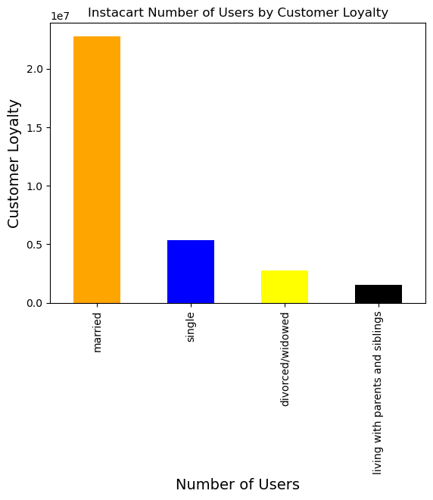
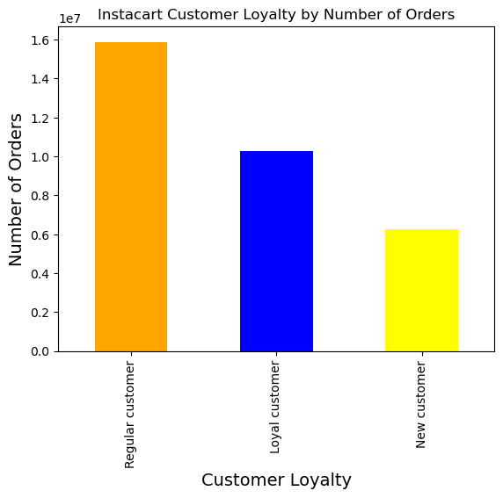

 | First - Regular customers make up for the most number of orders, and therefore are the no.1 Instacart users; use IC the most Second - Loyal customers make up the second most number of orders Third - New customers come in last with the least number of orders

Customer Profile Age & With or Without Dependents

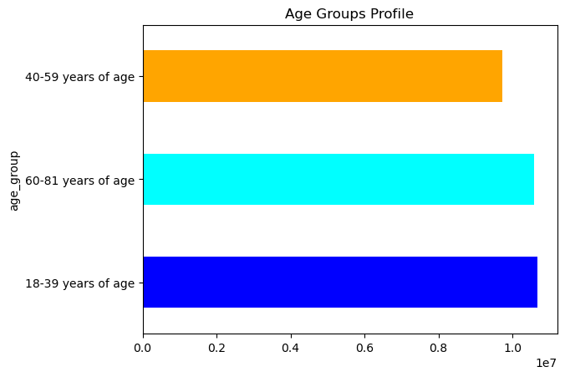
Customer Profile Age by Number of Dependents
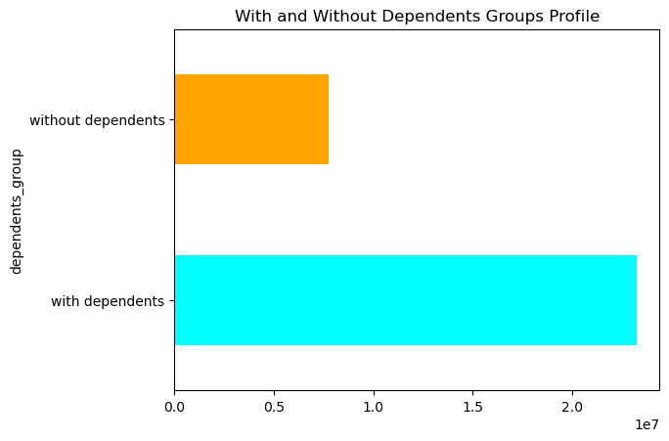

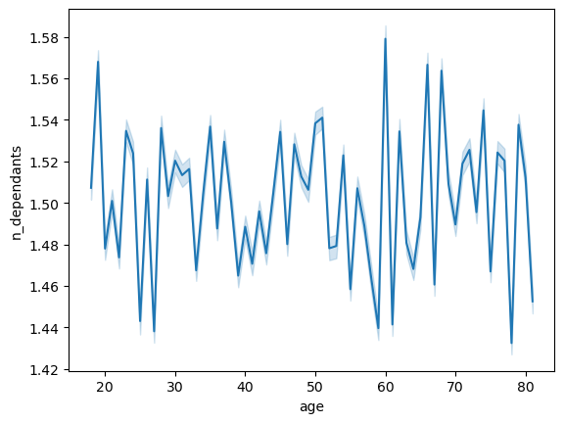

dependents_group
with dependents 23245632
without dependents 7747032

 | Out of the four categories of family status: married, single, divorced/widowed and living with parents and siblings, the majority of Instacart users are categorized as "married". There is no connection between age, number of dependants and/or family status.

 | Results: 75% of IC customers are families with dependents. Therefore, only 25 % of IC customers are (single) adults without dependents. Note: There are no under age <18 years of age IC customers.

Customer Profile Connection - Age & Income

Customer Profile Age by Income Bracket
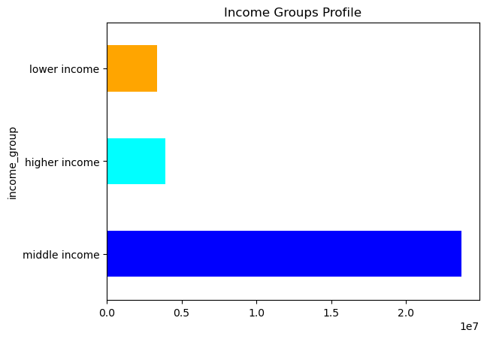


income_group
middle income = $50,000-$150,000
23727864
higher income = > $150,000
3898651
lower income <$50,000
3366149

 | Results of the scatterplot indicate a connection betweeen age and income. From the age of 40 and above, there is a higher income bracket, therefore spending power has the potential to increase.

 | Lower income IC customers account for 11%, while 89% are in middle to higher income brackets.

Family Status

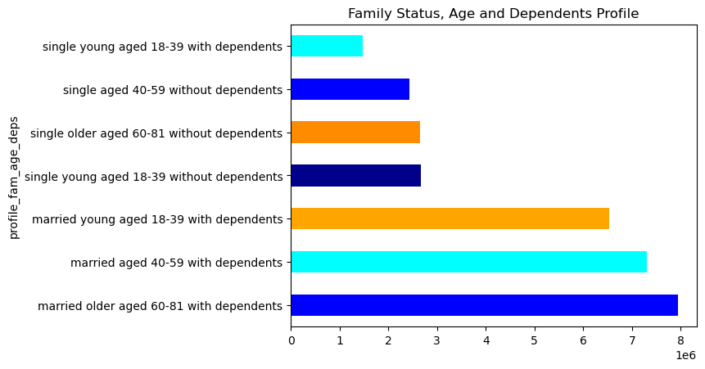
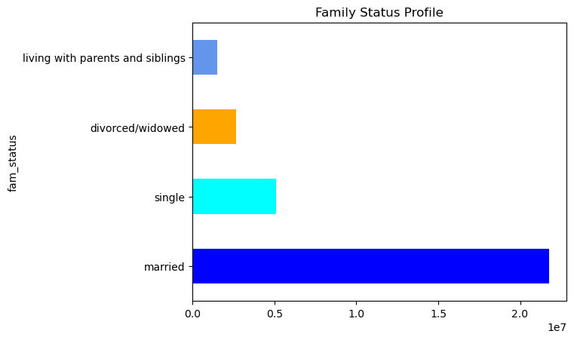

 | region
 | South 10801610
 | Midwest 7603810
 | West 7022095
 | Northeast 5081347
 | NaN 1925350

 | fam_status married 21763021 single 5099271 divorced/widowed 2647761 living with parents and siblings 1482611

 | Further, 65% of IC customers in total are the majority and consisting of family with dependents from the two higher age groups of 40 and above; 40-59 and 60-81 years of age.

 | Meanwhile, younger families with dependents making up the other 35%.

 | Consequently, youngest(aged 18-39)-without dependents only account for less than 9% of IC singles customer base, while age groups 40 and above-without dependents make up 16%.

 | Therefore, it is recommended that the IC customer experience caters to families and that it is a user-friendly one.

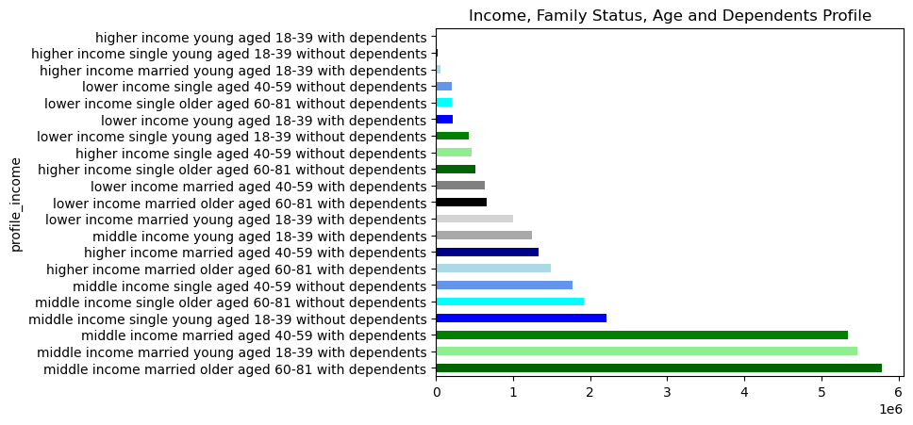

 | Observations: The customer profile that purchases the most are that of: middle income bracket earners of all ages who are married with dependents. In fact, this group alone includes 53% of IC customers. Second are middle income bracket earners of all ages who are single without dependents, making up 19 % of purchasing power. Nonetheless, this group has a difference in spending that is 34% less than the above married group. Consequently, lower income customers contribute 11% in total overall. Overall, 89% of IC customers are comprised of middle and higher income profiles.

 | Customer profiling based on profile family shows similar averages while when profiling to include income brackets, indicating again that higher income customers spend more than lower income families.

 | Family and income profiling both produce results of: on average, 10-11 days since previous orders. This makes sense and can be correlated with the reported 70 % of all Instacart customers are "frequent customers."

Customer Profile Family by Region
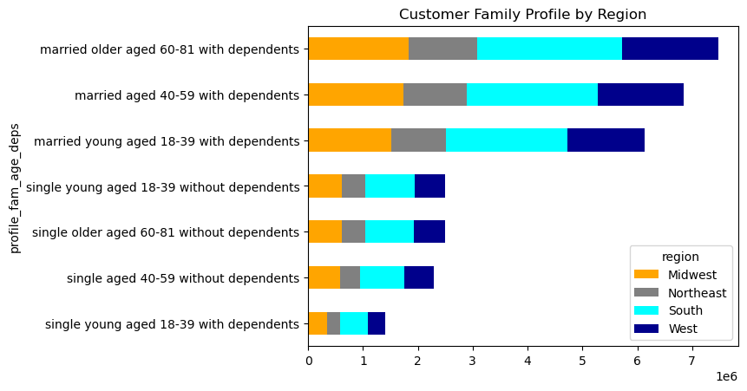
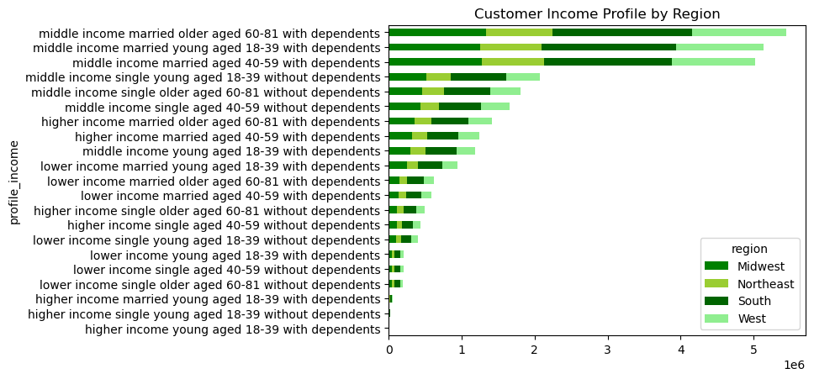

 | Midwest and Northeast show lower sales, although as a whole, all four regions are proportional.

Family Spending - Busiest period by Day & Week

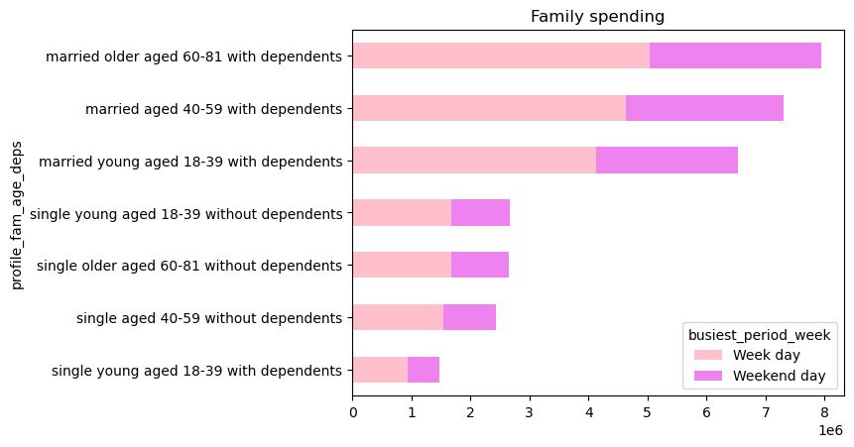
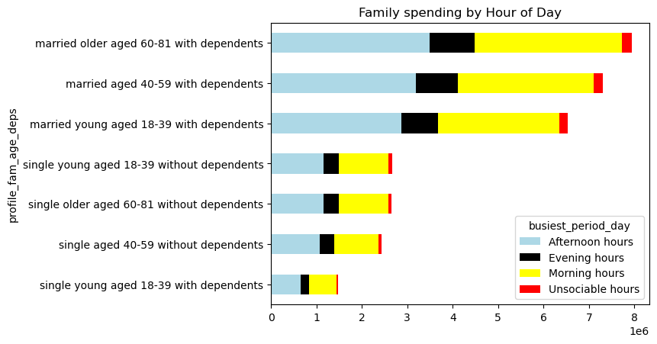

 | busiest_period_week Week day 19661808 Weekend day 11330856

 | Depending on how you analyze the results, weekends are the busiest days, however that accounts for only 2 out of 7 days.

 | As a result, during the week, a 5 day period , about 75% of the overall spending takes place.

 | Taking a look at individual weekdays, an average of approximately 15% of spending occurs, however, the actual "busiest" are on the weekends where there is an increase in spending of 5%, to almost 20% on Saturdays and Sundays

7. Recommendations
 |  | Title page

Recommendations

In this tab you should include any recommendations you would made to Instcart in terms of their marketing strategy based on the questions posed in the brief. Every key question has been covered in the Tasks of the Exercises - here you need to add an item - a visualisation or table/crosstable that is showing the answer in the data, acompanied by a comment from you. Please, list the questions below and add the answer underneath.

KEY QUESTIONS | RECOMMENDATIONS

Schedule ads midweek on lowest activity Tuesdays and Wednesdays in order to aim to increas numbers of orders placed during least busiest and weakest sales days.
Key Question 1 : The sales team needs to know what the busiest days of the week and hours of the day are (i.e., the days and times with the most orders) in order to schedule ads at times when there are fewer orders. | Busiest days of the week:The highest numbers and therefore 'busiest days' happens on the weekend where 36.61% of total orders are placed on Saturdays and Sundays. In constrast, the lowest numbers can be seen midweek on Tuesdays and Wednesdays, accounting for 23.53% of total orders placed.
Key Question 2 : They also want to know whether there are particular times of the day when people spend the most money, as this might inform the type of products they advertise at these times. | The times with the most orders-'busiest' happen from 6:00 to 9:00 in the morning, sales begin, and slowly and steadily increase until most sales reached, peaking at 10:00. From 10:00 to 15:00 mid-day hours with most sales activity, with toward end of day from 16:00 through to 20:00 moderate sales activity.21:00 through to 24:00 period sales steadily decreased, with most decreased order hour of day activity from 01:00 to 05:00. Further, 75% of IC customers fit the 'family' with dependents profile, and as a result also are linked to 'regular' business day hours. Any anomolies in the 25% of sales occuring during unsociable hours correpsond with single adult customer profiles.
Advertise types of products during periods of moderate to declined sales activity toward the end of afternoon hours of from 16:00 to 24:00 for the family profile customer.
Key Question 3: Instacart has a lot of products with different price tags. Marketing and sales want to use simpler price range groupings to help direct their efforts. | Price range of products: Of all products, 68% are mid-range priced, while 31 % fall into the low-range with high-priced products only are 1 % . Correspondingly, this is most evident in Price Range by Frequency where most products are priced between 1 and 15, while a lot fewer are higher priced at 15 to 25.
Simpler price range groupings should focus on mid-range products to include 3 simplified family categories of <$5, =>$5 to <$10, and =>$10 to >$15 with the addition of a better clearly defined high-priced (>$15) category, as they only account for 1%.
Key Question 4: Are there certain types of products that are more popular than others? The marketing and sales teams want to know which departments have the highest frequency of product orders. | Popular departments with highest frequency of product (s ) orders: The produce department, dairy/eggs and snacks are the most popular departments and account for 70% of all orders. Meanwhile, the least popular 'international', 'alcohol', 'pets', 'other' and 'bulk' only account for about 2%. Consequently, the Top 5 popular products and therefore most orders placed are in the following unders fruits and vegetables; bananas, bag of organic bananas, organic strawberries, organic baby spinich and organic haas avocado. Further and interestingly, there seems to be no influence on whether orders are placed based on region or family profile including age and income.
It is suggested that the marketing and sales team ensures highest quality standards and continues to offer and increase preferred varieties and inclusive choices such as organic in the most popular departments of produce, dairy/eggs and snacks.
Key Question 5: The marketing and sales teams are particularly interested in the different types of customers in their system and how their ordering behaviours differ. For example: What's the distribution among users in regards to their brand loyalty (i.e. how often do they return to Instacart)? Are there differences in ordering habits based on a customer's loyalty status? Are there differences in ordering habits based on a customer's regions? Is there a connection between age and family status in terms of ordering habits? | Ordering habits and customer loyalty is a similar trend among all customer profiles: First - Regular customers make up for the most number of orders, and therefore are the no.1 Instacart users; use IC the most Second - Loyal customers make up the second most number of orders Third - New customers come in last with the least number of orders. Although over 50% of customers have an order frequency of every 10 to 20 days, loyal customers order from 10 days or less since their previous orders, and correspondingly only make up a little over a third at 33% in terms of loyalty in total.
More promotions and incentives for loyalty could possibly help recognize and entice increased order frequency and becoming a loyal customer since the majority are limited in being recognized and therefore remain contributing as regular customers.
Key Question 6: The marketing and business strategy units at Instacart want to create more-relevant marketing strategies for different products and are, thus, curious about customer profiling in their database. Is there a connection between age and family status in terms of ordering habits? What different classifications does the demographic information suggest? Age? Income? Certain types of goods? Family status? Waht differences can you find in ordering habits of different customer profiles? Consider the prices of orders, the frequency of orders, the products customers are ordering, and anything else you can think of. | Out of the four categories of family status: married, single, divorced/widowed and living with parents and siblings, the majority of Instacart users are categorized as "married". There is no connection between age, number of dependants and/or family status. Results: 75% of IC customers are families with dependents. Therefore, only 25 % of IC customers are (single) adults without dependents. Note: There are no under age <18 years of age IC customers. From the age of 40 and above, there is a higher income bracket, therefore spending power is assumed to have the potential to increase. As a result, lower income IC customers account for 11%, while 89% are in middle to higher income brackets. Further, 65% of IC customers in total are the majority and consisting of family with dependents from the two higher age groups of 40 and above; 40-59 and 60-81 years of age.

Invest in catering to and listening to your clients that firtthe 'family' profile -meaning the 65% of age groups 40-59 and 60-81 years of age with dependents who spend the most on their respective orders :
"I want to receive ads, promos, and recommendations that are relevant to the products I order regularly."
Second, focus efforts on the younger families with dependents making up the other 35% of the majority who are consistent in their behaviour habits.
They can be seen as regular customers demanding lesser expenditure on trusted products and desiring opportunities to save with repeat, increased or new frequency.
Finally, get data and further explore and analyze "dependency" and "age of dependents".
Follwing would be to then compare 'why' with popular products across the four regions performing relatively proportional due to population size with lower sales observed in the Midwest and Northeast .

